Munster 2025–2026 Results
Munster 2025–2026 Season Ranking Results – Event 1 (05 October) |  |  |  |  | Event 1 - Plate categories
Category | Winner | Runner-Up | 3rd Place | Entries | Category | Winner | Runner-Up
U/11 Boys | Beech Hill | Leeside | Beech Hill | 3 | U/11 Boys | n/a | n/a
U/11 Girls | Leeside | Leeside | Leeside | 3 | U/11 Girls | n/a | n/a
U/13 Boys | Beech Hill | Leeside | Leeside | 6 | U/13 Boys | TT Stars Waterford | Leeside
U/13 Girls | Leeside | Beech Hill | Beech Hill | 6 | U/13 Girls | n/a | n/a
U/15 Boys | Unattached | TT Stars Waterford | Leeside | 12 | U/15 Boys | Unattached | Killarney
U/15 Girls | Leeside | TT Stars Waterford | Beech Hill | 3 | U/15 Girls | n/a | n/a
U/19 Mixed | TT Stars Waterford | Leeside | Beech Hill / Leeside | 12 | U/19 Mixed | Unattached | Unattached
Para Mixed | Beech Hill | Beech Hill | TT Stars Waterford | 6 | Para Mixed | Beech Hill | Beech Hill
Veterans | TT Stars Waterford | Beech Hill | Waterford TTC / Leeside | 12 | Veterans | n/a | n/a
Senior A | TT Stars Waterford | Beech Hill | TT Stars Waterford | 15 | Senior A | Leeside | TT Stars Waterford
Senior B | Leeside | Leeside | Leeside | 16 | Senior B | n/a | n/a
Senior Women | TT Stars Waterford | Leeside | Leeside / Waterford TTC | 11 | Senior Women | n/a | n/a

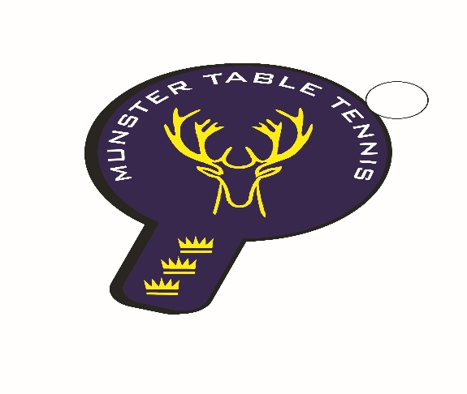
Munster 2025–2026 Season Ranking Results – Event 2 (23rd November) |  |  |  |  | Event 2 - Plate categories
Category | Winner | Runner-Up | 3rd Place | Entries | Category | Winner | Runner-Up
U/11 Boys | Leeside | TT Stars Waterford | TT Stars Waterford | 5 | U/11 Boys | Carrigtwohill | Beech Hill
U/11 Girls | Leeside | — | — | 1 | U/11 Girls | n/a | n/a
U/13 Boys | Leeside | Killarney | Beech Hill / Leeside | 7 | U/13 Boys | Leeside | TT Stars Waterford
U/13 Girls | Leeside | Beech Hill | Leeside / Beech Hill | 4 | U/13 Girls | n/a | n/a
U/15 Boys | Leeside | Unattached | Leeside / TT Stars Waterford | 12 | U/15 Boys | Beech Hill | Unattached
U/15 Girls | Leeside | TT Stars Waterford | Beech Hill / Beech Hill | 4 | U/15 Girls | n/a | n/a
U/19 Mixed | TT Stars Waterford | Leeside | TT Stars Waterford / Leeside | 12 | U/19 Mixed | TT Stars Waterford | Ennis
Para Mixed | Beech Hill | TT Stars Waterford | Waterford TTC / Beech Hill | 4 | Para Mixed | n/a | n/a
Veterans | TT Stars Waterford | Beech Hill | Killarney / Waterford TTC | 18 | Veterans | Waterford TTC | TT Stars Waterford
Senior A | TT Stars Waterford | Killarney | Beech Hill / Beech Hill | 16 | Senior A | Leeside | TT Stars Waterford
Senior B | Leeside | Leeside | TT Stars Waterford / Leeside | 8 | Senior B | Leeside | TT Stars Waterford
Senior Women | Leeside | Leeside | Waterford TTC / Waterford TTC | 10 | Senior Women | TT Stars | Carrigtwohill

Munster 2025–2026 Season Ranking Results – Event 3 (14th December) |  |  |  |  | Event 3 - Plate categories
Category | Winner | Runner-Up | 3rd Place | Entries | Category | Winner | Runner-Up
U/11 Boys | Leeside | TT Stars | Beech Hill | 4 | U/11 Boys | n/a | n/a
U/11 Girls | Leeside | — | — | 1 | U/11 Girls | n/a | n/a
U/13 Boys | Leeside | Killarney | Leeside / Beech Hill | 8 | U/13 Boys | SN | Beech Hill
U/13 Girls | Leeside | Leeside | Beech Hill | 4 | U/13 Girls | n/a | n/a
U/15 Boys | Beech Hill | Leeside | Killarney / Leeside | 8 | U/15 Boys | Ennis CC | TT Stars
U/15 Girls | Leeside | Beech Hill | Beech Hill | 3 | U/15 Girls | n/a | n/a
U/19 Mixed | TT Stars Waterford | Beech Hill | Leeside / Leeside | 6 | U/19 Mixed | Ennis CC | TT Stars
Para Mixed | TT Stars Waterford | Beech Hill | Beech Hill | 6 | Para Mixed | n/a | n/a
Veterans | TT Stars Waterford | Beech Hill | Waterford TTC / Leeside | 7 | Veterans | n/a | n/a
Senior A | TT Stars Waterford | Beech Hill | Leeside / TT Stars | 10 | Senior A | Killarney | Leeside
Senior B | Leeside | Leeside | Killarney / Leeside | 7 | Senior B | TT Stars | Leeside
Senior Women | Leeside | Leeside | Waterford TTC / Leeside | 12 | Senior Women | Beech Hill | Beech Hill

Munster 2025–2026 Season Ranking Results – Event 4 (22nd February) |  |  |  |  | Event 3 - Plate categories
Category | Winner | Runner-Up | 3rd Place | Entries | Category | Winner | Runner-Up
U/11 Boys | Leeside | TT Stars | Beech Hill | 4 | U/11 Boys | TT Stars | n/a
U/11 Girls | Leeside | Carrigtwohill | — | 2 | U/11 Girls | n/a | n/a
U/13 Boys | Killarney | Leeside | Leeside / Beech Hill | 8 | U/13 Boys | Beech Hill | TT Stars
U/13 Girls | Leeside | Beech Hill | Leeside | 4 | U/13 Girls | n/a | n/a
U/15 Boys | Leeside | Leeside | Killarney / TTStars Waterford | 9 | U/15 Boys | TT Stars | TT Stars
U/15 Girls | Leeside | Beech Hill | TTStars Waterford | 4 | U/15 Girls | n/a | n/a
U/19 Mixed | TT Stars Waterford | Beech Hill | Leeside / TT Stars Waterford | 9 | U/19 Mixed | TT Stars | Leeside
Para Mixed | Beech Hill | Waterford TTC | Beech Hill | 4 | Para Mixed | n/a | n/a
Veterans | TT Stars Waterford | Beech Hill | Waterford TTC / Leeside | 13 | Veterans | TT Stars | Waterford TTC
Senior A | TT Stars Waterford | Beech Hill | TTStars / TT Stars | 14 | Senior A | Leeside | Leeside
Senior B | TT Stars Waterford | Killarney | Leeside | 5 | Senior B | n/a | n/a
Senior Women | Leeside | Leeside | Leeside / Leeside | 11 | Senior Women | TT Stars | TT Stars

U13 Boys
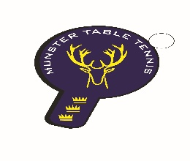
Munster Ranking 2025–2026
Rank | Name | Club | Event 1 | Event 2 | Event 3 | Event 4 | Discard | Total Points
1 | Jayden Yan Theunissen | Leeside | 160 | 200 | 200 | 160 | 160 | 560
2 | Olaf Chmielewski | Killarney | 0 | 160 | 160 | 200 | 0 | 520
3 | Syed Taha Ahmed | Beech Hill | 200 | 130 | 130 | 130 | 130 | 460
4 | Jamie Yan Theunissen | Leeside | 130 | 130 | 130 | 130 | 130 | 390
5 | Finn Burns | Beech Hill | 75 | 0 | 80 | 110 | 0 | 265
6 | Stepan Suprun | Leeside | 130 | 90 | 0 | 0 | 0 | 220
7 | Yonny Kekov | TTStars Waterford | 0 | 0 | 0 | 90 | 0 | 90
7 | Mickus Versis | Scoil Nioclais | 0 | 0 | 90 | 0 | 0 | 90
7 | Matthew Geary | TTStars Waterford | 90 | 0 | 0 | 0 | 0 | 90
10 | Kieran Byrne | Leeside | 80 | 0 | 0 | 0 | 0 | 80
10 | Richard Aherne | TTStars Waterford | 0 | 80 | 0 | 0 | 0 | 80
12 | Ryan Sheets | Scoil Nioclais | 0 | 0 | 75 | 0 | 0 | 75
12 | Charlie Arki | Scoil Nioclás | 0 | 0 | 75 | 0 | 0 | 75
12 | Lachlan Walsh | TTStars Waterford | 0 | 75 | 0 | 0 | 0 | 75

Entries B
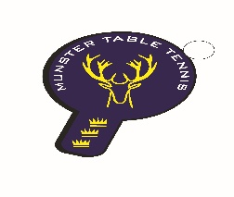
Munster Ranking 2025–2026
Rank | Name | Club | Event 1 | Event 2 | Event 3 | Event 4 | Discard | Total Points
1 | Olaf Chmielewski | Killarney | 36 | 0 | 52 | 75 | 0 | 163
2 | Evaldas Pusinskas | Leeside | 36 | 36 | 32 | 70 | 32 | 142
3 | Sean Buckley | Leeside | 52 | 80 | 0 | 0 | 0 | 132
3 | Gustavo Polli | Leeside | 52 | 0 | 80 | 0 | 0 | 132
5 | Patrick Sweeney | Beech Hill | 36 | 0 | 0 | 60 | 0 | 96
6 | Oliver Chamilla | TT Stars | 0 | 52 | 36 | 0 | 0 | 88
6 | Tamilarasan Janakiraman | Leeside | 36 | 52 | 0 | 0 | 0 | 88
8 | Martin Burke | TT Stars Waterford | 0 | 0 | 0 | 80 | 0 | 80
8 | Varun Sharma | Leeside | 80 | 0 | 0 | 0 | 0 | 80
10 | Jaroslaw Czernek | TTStars Waterford | 0 | 0 | 0 | 65 | 0 | 65
11 | Gary Mahoney | Leeside | 64 | 0 | 0 | 0 | 0 | 64
11 | Piotr Sawecki | Leeside | 0 | 64 | 0 | 0 | 0 | 64
11 | Jayden Theunissen | Leeside | 0 | 0 | 64 | 0 | 0 | 64
14 | Jamie Yan Theunissen | Leeside | 0 | 0 | 52 | 0 | 0 | 52
15 | Tomasz Szpotowicz | Leeside | 36 | 0 | 0 | 0 | 0 | 36
15 | Zacharie Sold | Leeside | 36 | 0 | 0 | 0 | 0 | 36
15 | Rameshkumar Thiyagarjjan | Carrigtwohill | 36 | 0 | 0 | 0 | 0 | 36
15 | Jason O'Callaghan | Beech Hill | 36 | 0 | 0 | 0 | 0 | 36
15 | Stepan Suprun | Leeside | 36 | 0 | 0 | 0 | 0 | 36
15 | Ronan Byrne | Leeside | 36 | 0 | 0 | 0 | 0 | 36
15 | Sean Morrissey | Carrigtwohill | 36 | 0 | 0 | 0 | 0 | 36
15 | Arun Mik | Leeside | 36 | 0 | 0 | 0 | 0 | 36
23 | Girish Patel | Beech Hill | 0 | 0 | 30 | 0 | 0 | 30
24 | Stephen Moore | TTStars Waterford | 0 | 28 | 0 | 0 | 0 | 28
25 | Kevin Kelly | TTStars Waterford | 0 | 24 | 0 | 0 | 0 | 24
25 | Evhenii Koshelev | Waterford TTC | 0 | 24 | 0 | 0 | 0 | 24

 |  |  |  |  |  |  |  |  | 1

